Evaluated suppliers
Jump to "RFQ analysis"
(You can get fresh raw data of I-K column)
SupplierCode | SupplierName | Country | Territory | PO number | PO amount | PO number | Delivery | Quality | Competitiveness | Cancel | Related PDB spplier code | 2017 Manual assessment | 2016 Manual assessment
6387 | Garuda Chemicals | India | TCI-I | 15 | C | C | B | C | B | C |  | ○ | ○
1614 | Vasudha Pharma Chem Limited | India | TCI-I | 14 | B | C | B | D | C | D |  | ○ | ○
8994 | Rowan Fine Chemicals | India | TCI-I | 13 | C | C | A | C | C | C | 10128 | ○
6447 | Quzhou Rundong Chemical Co., Ltd. | China | TCI-S | 1345 | A | A | B | D | D | D |  | ○
3702 | 三木産業株式会社 | Japan | TCI-J | 1221 | A | A | A | A | C | B |  | ○
3491 | 和光ｹﾐｶﾙ株式会社 | Japan | TCI-J | 645 | A | A | A | A | C | A |  | ○
4782 | Shanghai FChemicals Technology Co., Ltd. | China | TCI-S | 522 | A | A | B | C | D | D |  | ○
3575 | 株式会社ｺﾞｰﾄﾞｰ | Japan | TCI-J | 515 | A | A | A | A | C | A |  | ○
3851 | Shanghai PI Chemicals Ltd. | China | TCI-S | 363 | A | A | B | C | D | D |  | ○
3395 | 株式会社島田商会 | Japan | TCI-J | 358 | A | A | A | A | B | A |  | ○
3359 | 菱陽商事株式会社 | Japan | TCI-J | 331 | A | A | A | A | B | A |  | ○
8434 | Angene International Limited | China | TCI-S | 293 | A | A | B | D | D | D |  | ○
4883 | Shanghai Weiyuan Fine Fluorine Science & Development Co., Ltd. | China | TCI-S | 275 | A | A | E | D | C | C |  | ○
1134 | Tolly Chemicals Co., Ltd | China | TCI-S | 242 | A | A | B | C | D | D |  | ○
3647 | 青木興業株式会社 | Japan | TCI-J | 230 | A | A | A | A | C | A |  | ○
2652 | Shanghai Hanhong Chemical Co., Ltd. | China | TCI-S | 215 | A | A | B | D | C | E |  | ○
3027 | 高砂香料工業株式会社 | Japan | TCI-J | 195 | A | A | B | A | C | A |  | ○
3703 | 株式会社明成商会 | Japan | TCI-J | 195 | A | A | A | A | B | A |  | ○
7550 | Shanghai Gaoxin Chem. Glass Instr. | China | TCI-S | 174 | B | A | A | C | D | D |  | ○
3605 | 株式会社井上香料製造所 | Japan | TCI-J | 167 | A | A | A | A | D | A |  | ○
3928 | Nanjing Chemlin Chemical Co., Ltd. | China | TCI-S | 153 | A | A | B | C | D | E |  | ○
3433 | 日精ﾊﾞｲﾘｽ株式会社 | Japan | TCI-J | 152 | A | A | A | A | C | A |  | ○
7800 | Shijiazhuang Sdyano Fine Chemical Co., Ltd. | China | TCI-S | 151 | A | A | B | C | C | D |  | ○
8225 | 三協化学株式会社 | Japan | TCI-J | 146 | A | A | A | A | B | A |  | ○
172 | Zhejiang Shou & Fu Chemical Co., Ltd. | China | TCI-S | 123 | A | A | B | C | C | C |  | ○
2646 | Changzhou Kaimikou Co., Ltd. | China | TCI-S | 122 | A | A | A | C | C | D |  | ○
3522 | 株式会社 日本触媒ﾄﾚｰﾃﾞｨﾝｸﾞ | Japan | TCI-J | 121 | A | A | A | A | D | A |  | ○
3513 | 信越ｱｽﾃｯｸ株式会社 | Japan | TCI-J | 118 | A | A | A | B | C | A |  | ○
816 | Yancheng Longsheng Fine Chemical Factory | China | TCI-S | 116 | A | A | B | C | B | C |  | ○
3545 | 東洋ｹﾐｶﾙｽﾞ株式会社 | Japan | TCI-J | 112 | A | A | A | A | C | A |  | ○
3478 | 有限会社友貞物産 | Japan | TCI-J | 106 | A | A | A | C | C | A |  | ○
2966 | 淀化学株式会社 | Japan | TCI-J | 105 | A | A | A | A | C | A |  | ○
3603 | ｲﾜｷ株式会社 | Japan | TCI-J | 104 | A | A | A | A | C | B |  | ○
1326 | Synthons Research Laboratories | India | TCI-I | 103 | A | A | E | D | C | C |  | ○
3793 | 丸石化学品株式会社 | Japan | TCI-J | 101 | A | A | A | A | C | A |  | ○
7180 | SunaTech Inc. | China | TCI-S | 99 | A | A | B | C | C | B |  | ○
3406 | 三栄源ｴﾌ･ｴﾌ･ｱｲ株式会社 | Japan | TCI-J | 95 | B | A | A | A | C | A |  | ○
3596 | 岩井化学薬品株式会社 | Japan | TCI-J | 94 | B | A | A | C | D | A |  | ○
783 | Shanghai Orgchem Co., Ltd. | China | TCI-S | 93 | A | A | B | C | C | E |  | ○
7373 | OrgSynChem (Beijing) Technology Co., Ltd. | China | TCI-S | 93 | A | A | B | D | C | D |  | ○
3229 | 日化産商事株式会社 | Japan | TCI-J | 91 | B | A | A | A | C | A |  | ○
2931 | 東洋紡株式会社 | Japan | TCI-J | 90 | A | A | A | A | B | A |  | ○
3071 | 本荘ｹﾐｶﾙ株式会社 | Japan | TCI-J | 90 | A | A | A | A | C | A |  | ○
2626 | Daming Changda Co., Ltd | China | TCI-S | 87 | A | A | B | D | C | D |  | ○
9991 | SobhaBio | India | TCI-I | 84 | B | A | E | D | C | B |  | ○
7042 | Stru Chem | China | TCI-S | 82 | A | A | B | C | D | E |  | ○
10132 | Ningbo Yingfa Pengna Co.,Ltd | China | TCI-S | 81 | B | A | B | D | C | D |  | ○
2472 | Syn-Finechem Laboratories Pvt. Ltd. | India | TCI-I | 79 | B | A | B | D | C | C |  | ○
3427 | 日曹商事株式会社 | Japan | TCI-J | 78 | A | A | A | A | C | A |  | ○
4390 | Bepharm Ltd. | China | TCI-S | 77 | B | A | B | D | D | E |  | ○
1337 | Polyvalent Organics | India | TCI-I | 75 | A | A | E | D | C | D |  | ○
100 | Jiangsu Overseas Group Corporation | China | TCI-S | 72 | A | A | B | C | C | C |  | ○
3380 | 昭和化学株式会社 | Japan | TCI-J | 71 | A | B | A | A | C | A |  | ○
7 | ChemiK Co., Ltd. | China | TCI-S | 69 | A | B | B | C | E | D |  | ○
9219 | Nanjing SiSiB Silicones Co., Ltd. | China | TCI-S | 68 | B | B | B | C | C | C |  | ○
9341 | Bramha Scientifc | India | TCI-I | 68 | B | B | B | D | B | C |  | ○
3424 | 日本ﾌｧｲﾝｹﾐｶﾙ株式会社 | Japan | TCI-J | 67 | A | B | A | A | C | A |  | ○
2821 | 日宝化学株式会社 | Japan | TCI-J | 66 | A | B | A | A | D | A |  | ○
2845 | 日本特殊化学工業株式会社 | Japan | TCI-J | 65 | A | B | A | A | C | A |  | ○
3485 | 安田薬品株式会社 | Japan | TCI-J | 63 | A | B | B | A | E | A |  | ○
2671 | Edengene Chemical Ltd. | China | TCI-S | 62 | A | B | A | D | D | D |  | ○
3444 | 株式会社野村事務所 | Japan | TCI-J | 62 | A | B | A | A | B | C |  | ○
10562 | PEE ESS AROMATICS | India | TCI-I | 62 | B | B | E | D | B | B |  | ○
3679 | 宮田化学株式会社 | Japan | TCI-J | 61 | B | B | A | A | C | A |  | ○
1079 | Changzhou United Chemical Co., Ltd. | China | TCI-S | 59 | A | B | B | C | C | D |  | ○
797 | Hangzhou Dayangchem Co., Ltd. | China | TCI-S | 58 | A | B | C | C | D | E |  | ○
6464 | Liaoning Fuxin Jinhongtai Chemical Co., Ltd. | China | TCI-S | 55 | B | B | B | D | B | B |  | ○
1935 | Sigma-Aldrich Co. LLC | USA | TCI-A | 53 | B | B | E | C | C | B |  | ○
9651 | Vital Syntheticlabs Pvt. Ltd., | India | TCI-I | 51 | B | B | E | E | C | D |  | ○
7966 | Nanjing HaBo Medical Technology Co. | China | TCI-S | 50 | B | B | B | C | C | D |  | ○
1083 | Volant-Chem Corp. | China | TCI-S | 49 | A | B | B | C | B | B |  | ○
4123 | Atomax Chemicals Co., Ltd. | China | TCI-S | 49 | B | B | C | D | D | E |  | ○
4731 | Varata Chemicals Ltd. | China | TCI-S | 49 | B | B | C | C | D | E |  | ○
7955 | Shanghai Pu-Jie Fragrance Co., Ltd. | China | TCI-S | 48 | B | B | A | B | C | C |  | ○
6361 | Shanghai Mayao Chemical Tech.,Co | China | TCI-S | 46 | A | B | B | D | D | D |  | ○
6958 | Chengdu Pukang Biotechnology Co., Ltd. | China | TCI-S | 45 | B | B | C | C | C | E |  | ○
1624 | K. Patel International | India | TCI-I | 43 | B | B | B | D | B | D |  | ○
8111 | China Langchem Inc | China | TCI-S | 43 | B | B | A | C | D | D |  | ○
55 | Zhejiang Dragon Technology Co.,Ltd. | China | TCI-S | 42 | B | B | A | C | C | C |  | ○
2648 | Corey Organics Limited | India | TCI-I | 42 | A | B | D | D | C | D |  | ○
1925 | Cambridge Isotope Laboratories | USA | TCI-A | 41 | A | B | E | A | B | A |  | ○
5804 | Hebei Maison Chemicals Co., Ltd. | China | TCI-S | 41 | B | B | B | C | B | C |  | ○
9271 | NSC Organics | India | TCI-I | 40 | B | B | E | D | B | D |  | ○
6843 | Dr. Jagath Reddy's Heterocyclics | India | TCI-I | 39 | B | B | B | C | E | B |  | ○
3523 | 新和産業株式会社 | Japan | TCI-J | 38 | C | B | A | A | B | A |  | ○
3724 | 三谷産業株式会社 | Japan | TCI-J | 38 | A | B | A | A | A | A |  | ○
5858 | Shanghai KeLy Bio-Pharmaceutical Co., Ltd. | China | TCI-S | 35 | B | B | B | C | B | A |  | ○
9353 | Sri Neelima Laboratories | India | TCI-I | 35 | B | B | E | D | C | D |  | ○
2515 | Lianyungang Guiyuan Chempharm Co., Ltd. | China | TCI-S | 34 | B | B | C | C | C | D |  | ○
16 | Beijing Wisdom Chemical Company Ltd. | China | TCI-S | 33 | B | B | A | C | C | B |  | ○
23 | Changzhou Regal Chemical Co., Ltd. | China | TCI-S | 33 | A | B | B | B | C | C |  | ○
1073 | Shaanxi Huike Botanical Development | China | TCI-S | 32 | C | B | A | C | C | B |  | ○
6340 | Shanghai Sinofluoro Scientific Co., Ltd. | China | TCI-S | 32 | B | B | A | C | D | C |  | ○
10555 | SAKAM Fine Chem Pvt Ltd | India | TCI-I | 32 | B | B | C | D | D | B |  | ○
2722 | Wuxi D-Stone International Co., Ltd. | China | TCI-S | 31 | B | B | B | C | D | C |  | ○
8259 | Chemfun Medical Technology (Shanghai) Co., Ltd. | China | TCI-S | 31 | C | B | B | D | D | E |  | ○
10956 | Bhavesh chem labs | India | TCI-I | 31 | B | B | B | E | D | B |  | ○
3123 | 甘糟化学産業株式会社 | Japan | TCI-J | 30 | B | B | A | A | A | A |  | ○
8685 | Lianyungang Chunda Chemical Technology Co., Ltd. | China | TCI-S | 29 | B | B | A | C | B | A |  | ○
11154 | S.V.CHEMICALS | India | TCI-I | 29 | B | B | E | D | D | C |  | ○
277 | Azide Chemical Co., Ltd. | China | TCI-S | 27 | B | C | B | C | C | D |  | ○
6048 | Nanjing Boyuan Pharmatech Co., Ltd. | China | TCI-S | 27 | B | C | A | C | B | B |  | ○
928 | Shijiazhuang Lida Chemicals Co., Ltd. | China | TCI-S | 25 | B | C | A | C | C | B |  | ○
6482 | Changzhou Chongkai Chemical Co., Ltd. | China | TCI-S | 24 | B | C | A | C | C | D |  | ○
8403 | Evans Fine Chem | India | TCI-I | 23 | B | C | E | D | D | A |  | ○
1316 | Oceanic Pharmachem Pvt. Ltd. | India | TCI-I | 22 | A | C | C | E | C | C |  | ○
1361 | Arran Chemical Company Limited | Ireland | TCI-E | 22 | B | C | D | C | B | A |  | ○
1565 | Univar | USA | TCI-A | 19 | A | C | A | A | C | A |  | ○
2675 | Survival Technologies Pvt. Ltd. | India | TCI-I | 19 | B | C | E | D | D | C |  | ○
1490 | Alkali Metals Ltd. | India | TCI-I | 17 | C | C | E | E | C | D |  | ○
2659 | Acme Sujan Chemicals Pvt. Ltd. | India | TCI-I | 17 | B | C | E | D | B | D |  | ○
2273 | Apollo Scientific Ltd. | United Kingdom | TCI-E | 15 | C | C | E | C | D | D |  | ○
6713 | KORES (INDIA) Ltd. | India | TCI-I | 15 | C | C | A | C | A | A |  | ○
2122 | Beckmann-Kenko GmbH | Germany | TCI-E | 14 | B | C | D | B | C | C |  | ○
2080 | Buchem BV | Netherlands | TCI-E | 13 | B | C | B | C | B | A |  | ○
2342 | Manchester Organics Limited | United Kingdom | TCI-E | 13 | B | C | C | C | D | A |  | ○
10427 | Synix Labs Pvt Ltd | India | TCI-I | 13 | C | C | D | D | E | C |  | ○
2373 | Acme Synthetic Chemicals | India | TCI-I | 12 | B | C | E | C | C | A |  | ○
9351 | Mala International | India | TCI-I | 9 | C | C | E | D | D | D |  | ○
10861 | OCIMUM LIFE SCIENCES PVT LTD | India | TCI-I | 7 | C | D | A | E | C | A |  | ○
9013 | Almelo Pvt Ltd | India | TCI-I | 5 | B | D | D | E | B | A |  | ○
11035 | CLARITY RESEARCH LABORATORY | India | TCI-I | 5 | C | D | B | E | D | A |  | ○
1509 | Spectrum Chemical Mfg. Corp. | USA | TCI-A | 4 | C | - | - | - | - | - |  | ○
11580 | Kajay Remedies Pvt. Ltd. | India | TCI-I | 4 | C | - | - | - | - | - |  | ○
3269 | 今津薬品工業株式会社 | Japan | TCI-J | 0 | - | - | - | - | - | - |  | ○
7836 | 東洋紡株式会社 診断ｼｽﾃﾑ事業部 | Japan | TCI-J | 0 | - | - | - | - | - | - |  | ○
12363 | Aromatics & Industrial Chemicals Pvt. Ltd. | India | TCI-I | 0 | - | - | - | - | - | - |  | ○
12584 | Sainor Life Sciences Pvt. Ltd. | India | TCI-I | 0 | - | - | - | - | - | - |  | ○
8339 | Unisource Chemicals Private Limited | India | TCI-I | 18 | C | C | C | D | C | D | 2620, 2563, 9050 | ○
2620 | Unisource India | India | TCI-I | 12 | C | C | A | D | C | C | 8339, 2563, 9050 | ○
2120 | Impex GMBH | Germany | TCI-E | 24 | A | C | B | A | B | B | 2710 | ○
2254 | Endeavour Specialty Chemicals Limited | United Kingdom | TCI-E | 23 | B | C | C | C | C | C | 8309 | ○
5295 | FEW Chemicals GmbH | Germany | TCI-E | 32 | B | B | C | C | B | B |  | ○
1457 | Tau-Chem Ltd. | Slovakia | TCI-E | 27 | A | C | B | C | C | A |  | ○
1438 | Natalex S.A. | Poland | TCI-E | 21 | A | C | C | D | C | A |  | ○
1853 | Petra Research, Inc. | USA | TCI-A | 21 | B | C | D | C | B | A |  | ○
2093 | Eburon Organics N.V. | Belgium | TCI-E | 21 | B | C | E | D | B | C |  | ○
7781 | Alfa Aesar USA | USA | TCI-A | 12 | C | C | E | A | E | A |  | ○
4004 | Intatrade Ltd. | Germany | TCI-E | 37 | A | B | E | C | C | D | 1462 | Manual assessment:Not finished
6664 | UAB Tikslioji Sinteze | Lithuania | TCI-E | 57 | A | B | E | C | C | A | 2077 | Manual assessment:Not finished
4672 | Ionic Liquids Technologies (IoLiTec) GmbH & Co. KG | Germany | TCI-E | 121 | A | A | E | C | B | C |  | Manual assessment:Not finished
1907 | ChemSampCo, Inc. | USA | TCI-A | 88 | A | A | E | C | C | C |  | Manual assessment:Not finished
1435 | Dona Fine Chemicals s.c. | Poland | TCI-E | 60 | A | B | E | C | B | B |  | Manual assessment:Not finished
2180 | Organica Feinchemie GmbH Wolfen | Germany | TCI-E | 52 | A | B | A | C | B | B |  | Manual assessment:Not finished
2329 | Wychem Limited | United Kingdom | TCI-E | 48 | A | B | C | C | C | B |  | Manual assessment:Not finished
2156 | Biosynth AG | Switzerland | TCI-E | 45 | A | B | B | B | C | D |  | Manual assessment:Not finished
7656 | SOLVIONIC | France | TCI-E | 43 | B | B | E | B | B | A |  | Manual assessment:Not finished
2508 | Provisco CS, s.r.o. | Czech Republic | TCI-E | 42 | B | B | D | B | A | C |  | Manual assessment:Not finished
1456 | Georganics | Slovakia | TCI-E | 37 | A | B | E | C | C | B |  | Manual assessment:Not finished
2354 | Loba Feinchemie AG | Austria | TCI-E | 36 | A | B | E | C | B | C |  | Manual assessment:Not finished
2677 | Colonial Metals, Inc. | USA | TCI-A | 33 | A | B | E | C | B | D |  | Manual assessment:Not finished
2532 | Heraeus Metal Processing, Inc. | USA | TCI-A | 29 | A | B | E | B | B | A |  | Manual assessment:Not finished
2544 | Chem-Impex International Inc. | USA | TCI-A | 25 | B | C | C | C | D | D |  | Manual assessment:Not finished
10086 | Exciton | USA | TCI-A | 25 | B | C | D | A | B | A |  | Manual assessment:Not finished
1862 | Optima Chemical Group LLC | USA | TCI-A | 22 | B | C | D | C | C | C |  | Manual assessment:Not finished
1697 | Organic Technologies | USA | TCI-A | 20 | A | C | C | A | A | D |  | Manual assessment:Not finished
1702 | Nexeo Solutions LLC | USA | TCI-A | 18 | A | C | D | C | A | A |  | Manual assessment:Not finished
6689 | ChemPep, Inc. | USA | TCI-A | 17 | B | C | D | C | C | D |  | Manual assessment:Not finished
1855 | R.S.A. Corporation | USA | TCI-A | 16 | A | C | E | C | B | C |  | Manual assessment:Not finished
4958 | CHEM-IS-TRY, INC. | USA | TCI-A | 16 | B | C | E | C | C | A |  | Manual assessment:Not finished
2735 | Chem Point | USA | TCI-A | 13 | A | C | E | E | A | D |  | Manual assessment:Not finished
4018 | Boron Molecular Inc. (USA) | USA | TCI-A | 12 | B | C | E | B | B | C |  | Manual assessment:Not finished
1761 | Apiscent Labs LLC (formerly Fontarome Chemical, Inc.) | USA | TCI-A | 10 | B | C | E | C | C | C |  | Manual assessment:Not finished
1746 | IBC Advanced Technologies, Inc. | USA | TCI-A | 9 | A | C | E | A | C | A |  | Manual assessment:Not finished
8534 | Veckridge Chemical | USA | TCI-A | 0 | - | - | - | - | - | - |  | Manual assessment:Not finished
9339 | N.Himatlal & Co. | India | TCI-I | 19 | A | C | E | D | C | C | 1617 |  | ○
3880 | Carbosynth | United Kingdom | TCI-E | 91 | A | A | E | C | C | C | 2260 |  | ○
8748 | Gitanjali Chemicals | India | TCI-I | 5 | C | E | E | D | A | A | 2533 |  | ○
2077 | Vilnius University, Liquid Crystals Laboratory | Lithuania | TCI-E | 57 | A | B | D | C | D | A | 6664 |  | ○
2533 | Benzo Chem Industries Pvt. Ltd. | India | TCI-I | 18 | B | C | B | D | B | A | 8748 |  | ○
1617 | S. Nihar Exports | India | TCI-I | 33 | A | B | C | D | C | D | 9339 |  | ○
5943 | Shanghai Nuotai Chem Co., Ltd. | China | TCI-S | 637 | A | A | B | C | C | D |  |  | ○
4 | Jiangsu Changzhou Tianyuan Chemical Factory | China | TCI-S | 346 | A | A | C | D | C | C |  |  | ○
2429 | Beijing Pure Chem Co., Ltd. | China | TCI-S | 282 | A | A | B | C | C | C |  |  | ○
9235 | Shanghai Topbiochem Technology Co., Ltd | China | TCI-S | 280 | A | A | A | D | C | D |  |  | ○
8728 | Beijing Green Guardee Technology Co., Ltd. | China | TCI-S | 264 | A | A | D | C | C | C |  |  | ○
66 | GL Biochem | China | TCI-S | 263 | A | A | B | C | C | B |  |  | ○
4798 | Suzhou Highfine Biotech Co., Ltd. | China | TCI-S | 253 | A | A | A | B | C | C |  |  | ○
171 | Iffect Chemphar (HK) Company Limited | China | TCI-S | 242 | A | A | B | C | C | C |  |  | ○
1442 | P&M-Invest Ltd | Russian Fed. | Direct | 241 | A | A | B | C | B | B |  |  | ○
1689 | Gelest, Inc. | USA | TCI-A | 193 | A | A | E | C | C | C |  |  | ○
9883 | Zhengzhou H&Q Photoelectric Material Co. | China | TCI-S | 191 | A | A | C | C | C | C |  |  | ○
2179 | Synthon Chemicals GmbH & Co.KG | Germany | TCI-E | 176 | A | A | E | C | C | B |  |  | ○
6556 | Puyang Huicheng Electronic Material Co., Ltd | China | TCI-S | 152 | A | A | A | D | B | C |  |  | ○
7072 | Greatcell Solar Limited. | Australia | Direct | 143 | A | A | A | B | B | A |  |  | ○
1608 | BASR Fine Chemicals Private Limited | India | TCI-I | 135 | A | A | C | D | C | C |  |  | ○
6726 | Beijing Lys Chemicals Co., Ltd. | China | TCI-S | 133 | A | A | B | C | C | C |  |  | ○
1677 | GFS Chemicals, Inc. | USA | TCI-A | 124 | A | A | E | B | B | B |  |  | ○
9292 | Henan Tianfu Chemical Co., Ltd. | China | TCI-S | 113 | A | A | A | C | D | D |  |  | ○
1463 | Dalchem | Russian Fed. | Direct | 106 | A | A | E | C | C | B |  |  | ○
8582 | Shanghai Arbor Chemical Co.,Ltd. | China | TCI-S | 104 | A | A | A | C | C | C |  |  | ○
2366 | Synquest Laboratories, Inc. | USA | TCI-A | 98 | A | A | E | C | D | C |  |  | ○
6281 | Shanghai Ruiyi Medical Tech Co.,Ltd | China | TCI-S | 86 | A | A | A | C | C | B |  |  | ○
28 | Changzhou Sunlight Pharmaceutical Co., Ltd. | China | TCI-S | 81 | A | A | A | B | B | C |  |  | ○
1663 | Allchem Laboratories | India | TCI-I | 76 | A | A | B | C | C | A |  |  | ○
1723 | Silar Laboratories | USA | TCI-A | 75 | A | A | E | C | C | D |  |  | ○
1740 | Exfluor Research Corp. | USA | TCI-A | 73 | A | A | D | A | A | B |  |  | ○
701 | Wutong Aroma Chemicals Co., Ltd. | China | TCI-S | 70 | B | B | B | B | C | C |  |  | ○
1479 | Organo Fine Chemicals | India | TCI-I | 70 | A | B | D | D | D | C |  |  | ○
6287 | Shanghai ColdSpring Biopharma Co., Ltd. | China | TCI-S | 69 | B | B | B | C | D | D |  |  | ○
10140 | Shanghai synchem Technolgy Co. Ltd | China | TCI-S | 69 | B | B | A | C | B | D |  |  | ○
2380 | Epsilon Chimie | France | TCI-E | 64 | A | B | C | B | C | A |  |  | ○
1324 | Penta Manufacturing Company | USA | TCI-A | 58 | A | B | E | C | C | C |  |  | ○
1531 | Bedoukian Research Inc. | USA | TCI-A | 58 | A | B | E | B | A | B |  |  | ○
1616 | Sarex Overseas | India | TCI-I | 58 | A | B | B | D | C | C |  |  | ○
4727 | Shanghai Yurlic Chemical S&T Co., Ltd. | China | TCI-S | 58 | B | B | C | D | B | D |  |  | ○
2696 | Strem Chemicals Inc. | USA | TCI-A | 48 | A | B | E | B | C | C |  |  | ○
6243 | Suzhou Yacoo Chemical Reagent Co., Ltd. | China | TCI-S | 47 | A | B | B | C | C | D |  |  | ○
2594 | Umicore AG & Co. KG | Germany | TCI-E | 38 | A | B | C | A | B | A |  |  | ○
1949 | Nu Chek Prep, Inc. | USA | TCI-A | 37 | A | B | B | B | A | A |  |  | ○
2546 | Armar AG | Switzerland | TCI-E | 32 | A | B | E | B | C | B |  |  | ○
1475 | Jubilant Life Sciences Ltd | India | TCI-I | 23 | A | C | E | C | A | C |  |  | ○
1599 | Denisco Chemicals PVT Ltd. | India | TCI-I | 23 | B | C | B | D | B | B |  |  | ○
1339 | Sam Fine O Chem Limited | India | TCI-I | 21 | A | C | E | E | B | A |  |  | ○
2176 | Raschig GMBH | Germany | TCI-E | 20 | B | C | A | C | B | A |  |  | ○
4447 | Vigon International, Inc. | USA | TCI-A | 20 | B | C | E | B | B | D |  |  | ○
1532 | Roper Thermals | USA | TCI-A | 18 | A | C | B | C | A | A |  |  | ○
1472 | Catapro Technologies | India | TCI-I | 17 | B | C | B | D | B | A |  |  | ○
9071 | ANAMI ORGANICS | India | TCI-I | 17 | A | C | C | D | B | D |  |  | ○
6946 | Prabhat Chemiorganics Limited | India | TCI-I | 11 | B | C | C | C | C | A |  |  | ○
6074 | Paragon Industries | India | TCI-I | 10 | B | C | D | E | C | A |  |  | ○
2582 | Halides Chemicals Pvt. Ltd. | India | TCI-I | 9 | B | C | A | D | A | A |  |  | ○
4522 | Indo Amines Ltd | India | TCI-I | 6 | B | D | E | C | C | A |  |  | ○
7455 | Panoli Intermediates (India) Pvt. Ltd. | India | TCI-I | 1 | C | - | - | - | - | - |  |  | ○

Data specification
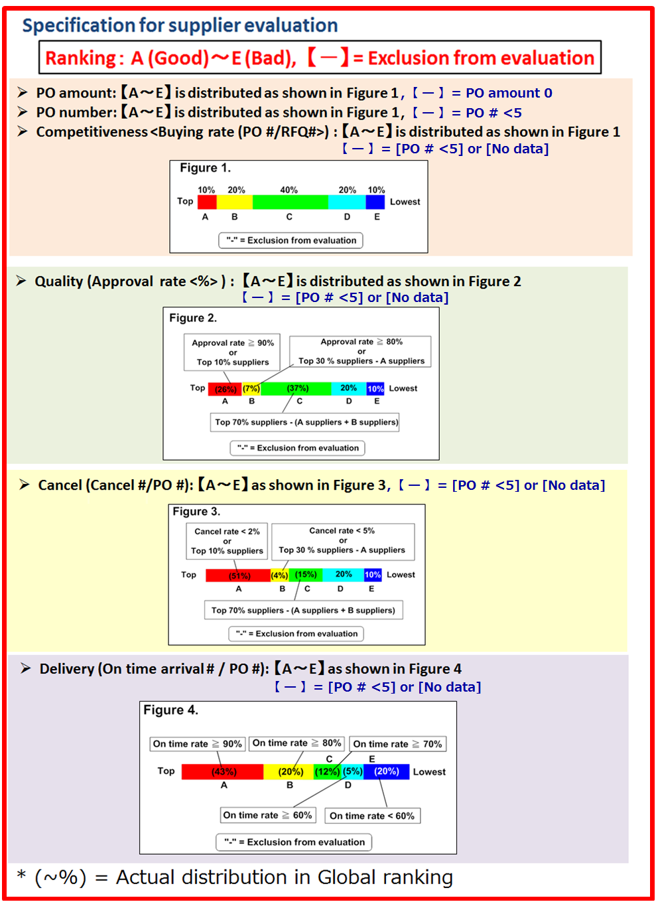
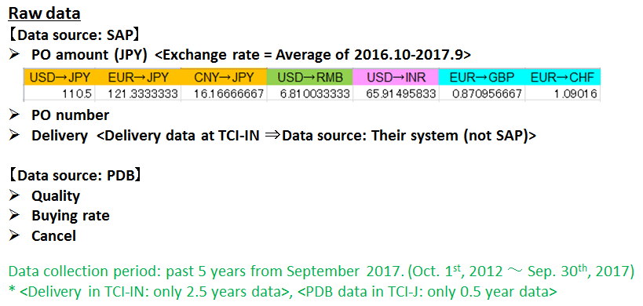

Note: The Rank data in this file are "Global version".
<You can get "Local version" data from "Ranking data (October 1st, 2017)">

